Sep 2019
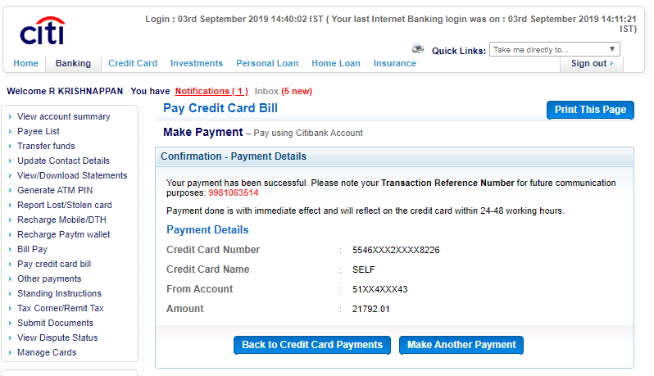

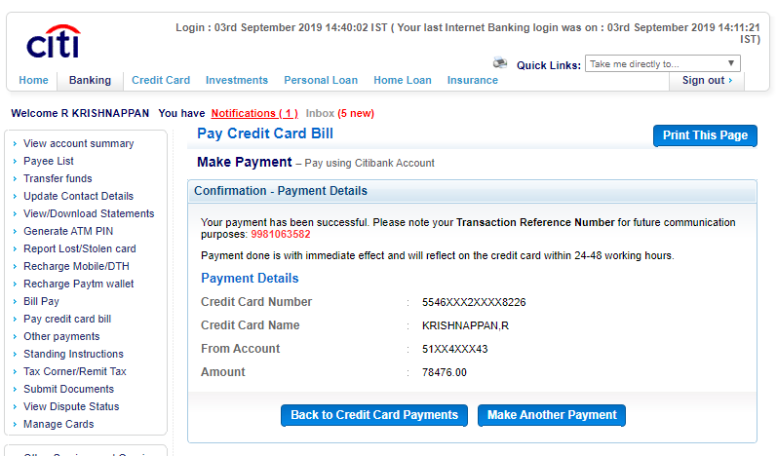

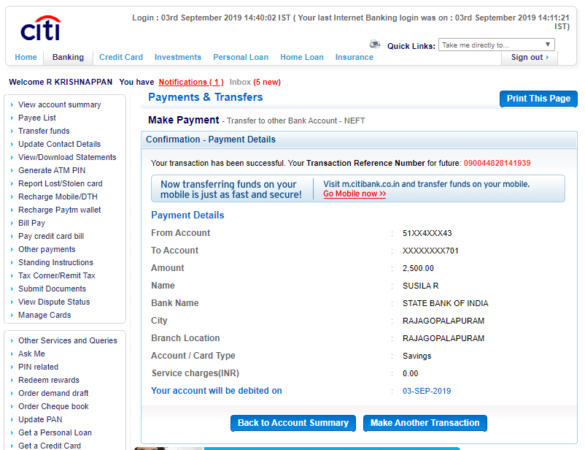

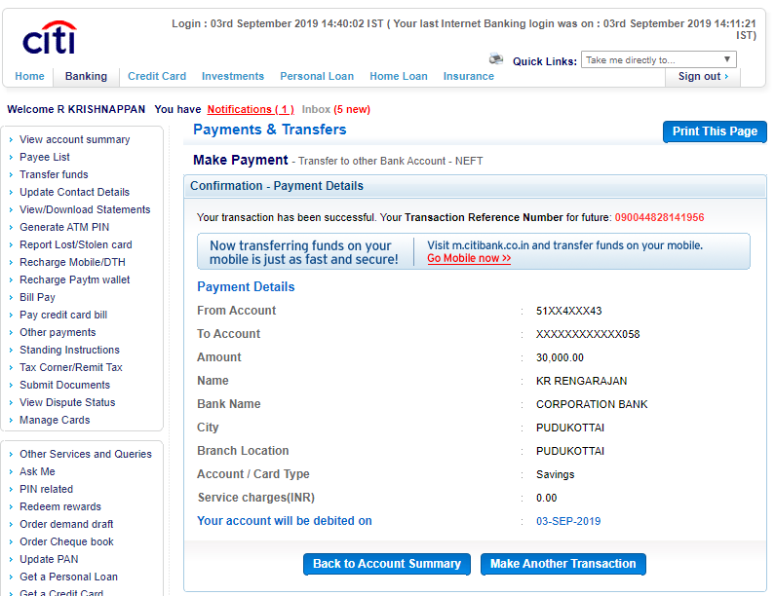

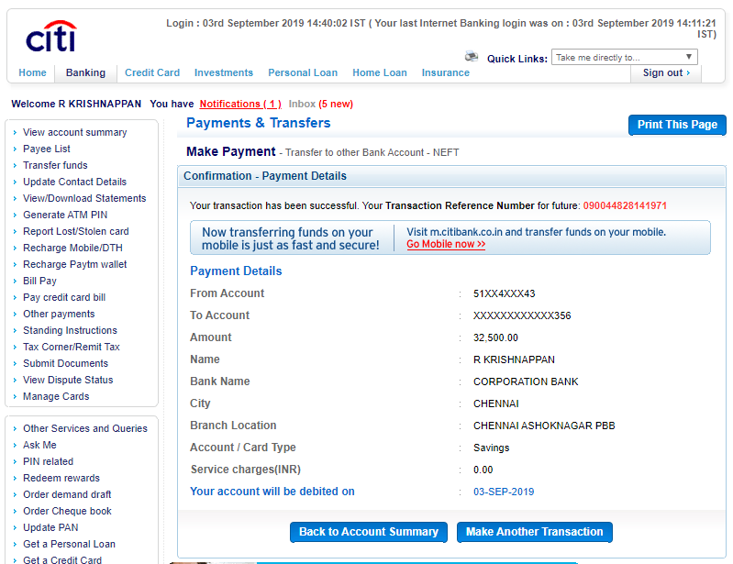

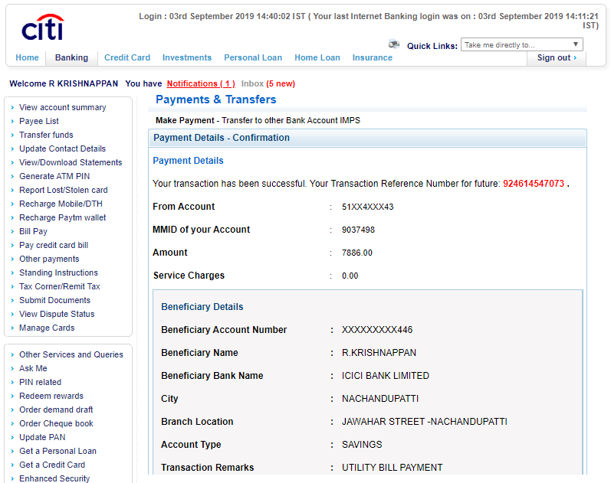

Corporation Bank
Corporation Bank Account Details - May 2011

Corporation Bank Account Details - June 2011

Corporation Bank Account Details - July 2011

Corporation Bank Account Details - Aug 2011

Corporation Bank Account Details - Sep 2011

Corporation Bank Account Details - Oct 2011

Corporation Bank Account Details - Nov 2011

Corporation Bank Account Details - Dec 2011

Corporation Bank Account Details - Jan 2012

Corporation Bank Account Details - Feb 2012

Corporation Bank Account Details - Mar 2012

Corporation Bank Account Details - Apr 2012

Corporation Bank Account Details - May 2012

Corporation Bank Account Details - June 2012

Corporation Bank Account Details - July 2012

Corporation Bank Account Details - Aug 2012

Corporation Bank Account Details - Sep 2012

Corporation Bank Account Details - Oct 2012

Corporation Bank Account Details - Nov 2012

Corporation Bank Account Details - Dec 2012

Corporation Bank Account Details - Jan 2013

Corporation Bank Account Details - Feb 2013

Corporation Bank Account Details - Mar 2013

Corporation Bank Account Details - Apr 2013

Corporation Bank Account Details - May 2013

Corporation Bank Account Details - June 2013

Corporation Bank Account Details - July 2013

Corporation Bank Account Details - Aug 2013

Corporation Bank Account Details - Sep 2013

Corporation Bank Account Details - Oct 2013

Corporation Bank Account Details - Nov 2013

Corporation Bank Account Details - Dec 2013

Corporation Bank Account Details - Jan 2014

Corporation Bank Account Details - Feb 2014

Corporation Bank Account Details - Mar 2014

Corporation Bank Account Details - Apr 2014

Corporation Bank Account Details - May 2014

Corporation Bank Account Details - June 2014

Corporation Bank Account Details - July 2014

Corporation Bank Account Details - Aug 2014

Corporation Bank Account Details - Sep 2014

Corporation Bank Account Details - Oct 2014

Corporation Bank Account Details - Nov 2014

Corporation Bank Account Details - Dec 2014

Corporation Bank Account Details - Jan 2015

Corporation Bank Account Details -Feb 2015

Corporation Bank Account Details -Mar 2015

Corporation Bank Account Details -Apr 2015

Corporation Bank Account Details -May 2015

Corporation Bank Account Details -June 2015

Corporation Bank Account Details -July 2015

Corporation Bank Account Details -Aug 2015

Corporation Bank Account Details -Sep 2015

Corporation Bank Account Details -Oct 2015

Corporation Bank Account Details -Nov 2015

Corporation Bank Account Details -Dec 2015

Corporation Bank Account Details - Jan 2016

Corporation Bank Account Details - Feb 2016

Corporation Bank Account Details - Mar 2016

Corporation Bank Account Details - Apr 2016

Corporation Bank Account Details - May 2016

Corporation Bank Account Details - June 2016

Corporation Bank Account Details - July 2016

Corporation Bank Account Details - Aug 2016

Corporation Bank Account Details - Sep 2016

Corporation Bank Account Details - Oct 2016

Corporation Bank Account Details - Nov 2016

Corporation Bank Account Details - Dec 2016

Corporation Bank Account Details - Jan 2017

Corporation Bank Account Details - Feb 2017

Corporation Bank Account Details - Mar 2017

Corporation Bank Account Details - Apr 2017

Corporation Bank Account Details - May 2017

Corporation Bank Account Details - June 2017

Corporation Bank Account Details - July 2017

Corporation Bank Account Details - Aug 2017

Corporation Bank Account Details - Sep 2017

Corporation Bank Account Details - Oct 2017

Corporation Bank Account Details - Nov 2017

Corporation Bank Account Details - Dec 2017

Corporation Bank Account Details - Jan 2018
...
 |  |  | 24-May-17 | To ATM Card Chrg Service Tax Collected 48902105780 | 27.00
 |  |  | 2-Jun-17 | Charges for NEFT REF :000003162712 | 6.00
 | Password Questions? |  | 2-Jun-17 | Charges for NEFT REF :000003162793 | 6.00
 | Favourite Place : pudukkottai |  |  |  | 225.50
 | Childhood hero : sachin
 | First school name: stmarys

 | Outstanding Loans - Details |  |  |  |  | 200000 | 5764
 | Account Type |  |  | CORP GHAR SHOBHA |  |  | 1966.73 | 192,269.27
 | Account No |  |  | 560621000012481 |  |  |  | 1,572.00
 | Branch |  |  | CHENNAI - ASHOKNAGAR(PBB) - 0578 |  |  |  | 193,841.27
 | Currency |  |  | INR |  | 1571.2328767 | 3797.27
 | Loan Amount |  |  | 5,60,000.00 |  |  | 190,044.00 |  | 674.26569863
 | Current Amount |  |  | -2,00,000.00 |  |  | 160,000.00 |  | 1419.3564932
 | Loan Date |  |  | 17/03/2017 |  |  | 350,044.00 |  | 2093.6221918
 | Due Date |  |  | 17/03/2032 |  |  |  | 5,768.00
 | Period |  |  | 180 Months |  |  |  | 344,276.00
 | Interest Rate |  |  |  |  |  | 1,555.00
 | Limit |  |  | 5,60,000.00 |  |  | 4
 | Drawing Power |  |  | 5,60,000.00 |  |  | 1,559.00 | 345,835.00
 | Insurance Premium Date |  |  |  |  |  |  | 200,000.00
 | Stock Stmt Due Date |  |  |  |  |  |  | 545,835.00
 | MS/OD FORM Due Date |  |  |  |  |  | 3,498.00 |  | 1,227.23
 | Renewal Papers Due Date |  |  |  |  |  | 5 |  | 4,541.77
 | Limit Renewal Date |  |  | 16/03/2018 |  |  | 3,503.00 |  | 5,769.00
 | Limit Expiry Date |  |  | 17/03/2032 |  |  |  | 543,569.00
 |  |  |  |  |  |  | 4144 |  | 5766
 |  |  |  |  |  |  | 2
 | Outstanding Loans - Details |  |  |  |  |  | 4146 | 541,949.00
 | Account Type |  |  | CORP HOME |  |  |  |  | 5,768.00
 | Account No |  |  | 560631000237230 |  |  |  | 536,181.00
 | Branch |  |  | CHENNAI - ASHOKNAGAR(PBB) - 0578 |  | 9.4% Int | 4,275.00
 | Currency |  |  | INR |  | 30-Aug-17 | 4 | 540,460.00
 | Loan Amount |  |  | 18,69,000.00 |  | Actual | 4175.6087671 |  | 5768
 | Current Amount |  |  | -11,31,337.00 |  | Bank Calc | 4,266.00 |  | 546,228.00
 | Loan Date |  |  | 30/06/2011 |  | Penal | 4 | 538,962.00 | 28-Sep-17
 | Due Date |  |  | 30/07/2026
 | Repayment Schedule |  |  |  |  | Actual | 0.00 |  | 7500
 | Period |  |  | 180 Months |  | Penal | 0 | 531,462.00 | 17-
 | Interest Rate
 | Limit |  |  | 18,69,000.00
 | Drawing Power |  |  | 18,69,000.00
 | Insurance Premium Date
 | Stock Stmt Due Date
 | MS/OD FORM Due Date
 | Renewal Papers Due Date
 | Limit Renewal Date
 | Limit Expiry Date

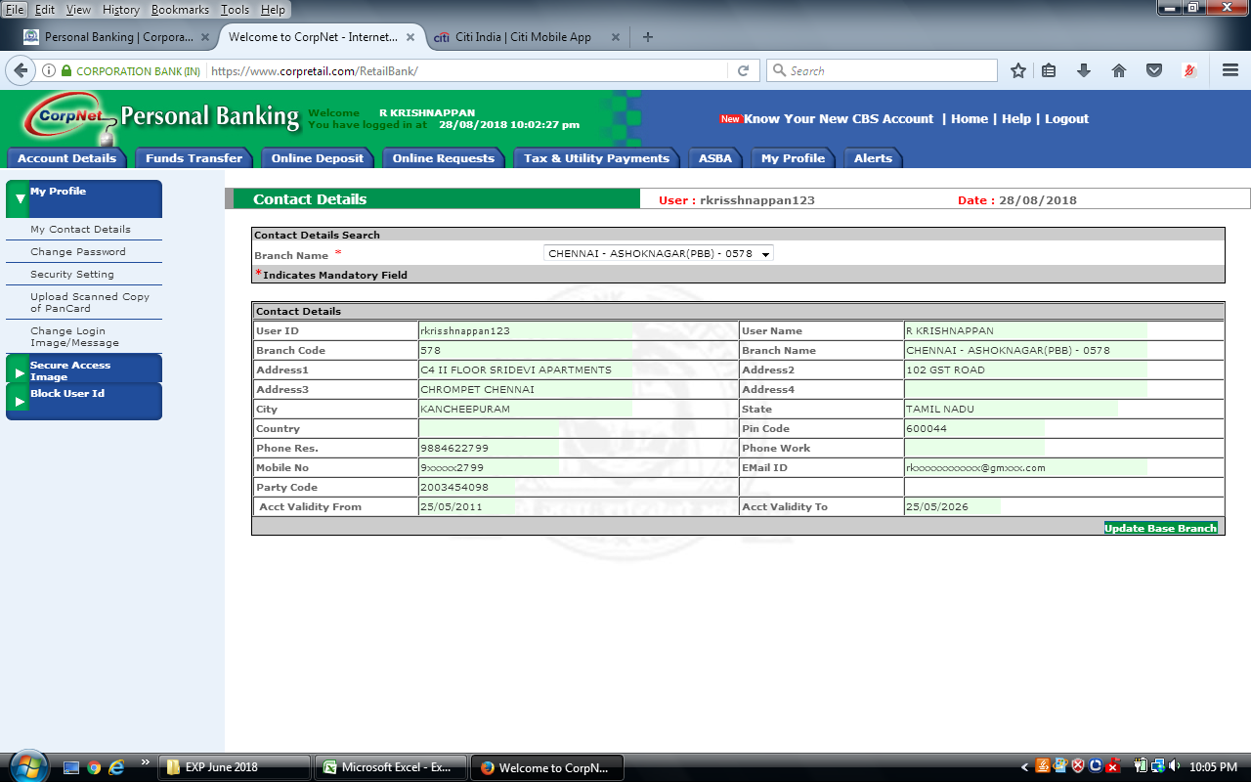

 | New Acc No | 520101021127723
 | Name | R KRISHNAPPAN
 | Branch | ASHOKNAGAR - CHENNAI
 | Mothers Maiden Name | R.Susila

